Sheet 1
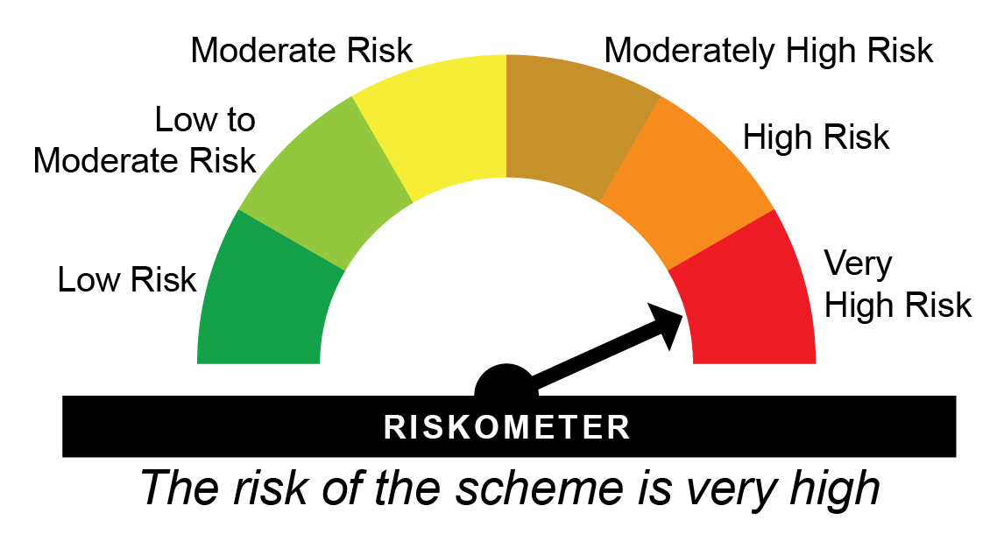
HDFCGF - HDFC CHILDREN’S FUND - Regular Plan - Growth |  |  |  |  |  | NAV as at May 30, 2025 |  | 292.095 | Scheme Riskometer
Date | Period | NAV per Unit (₹) | Scheme Returns (%)^ | Benchmark Returns(%)# | Additional Benchmark Returns ##(%) | Value of Investment of ₹ 10000@
 |  |  |  |  |  | Scheme (₹) | Benchmark #(₹) | Additional Benchmark ##(₹)

May 31, 24 | Last 1 Year | 270.123 | 8.13 | 11.02 | 11.08 | 10,811 | 11,099 | 11,104
May 31, 22 | Last 3 Years | 178.497 | 17.84 | 13.28 | 15.56 | 16,364 | 14,535 | 15,432
May 29, 20 | Last 5 Years | 106.051 | 22.43 | 16.86 | 22.29 | 27,543 | 21,815 | 27,380
May 29, 15 | Last 10 Years | 83.657 | 13.3 | 11.35 | 12.73 | 34,916 | 29,348 | 33,201
Mar 02, 01 | Since Inception | 10.000 | 16.17 | NA | 14.45 | 379,724 | NA | 264,093

HDFCGF - HDFC CHILDREN’S FUND - Direct Plan - Growth |  |  |  |  |  | NAV as at May 30, 2025 |  | 323.554 | Benchmark Riskometer
Date | Period | NAV per Unit (₹) | Scheme Returns (%)^ | Benchmark Returns(%)# | Additional Benchmark Returns ##(%) | Value of Investment of ₹ 10000@ |  |  | 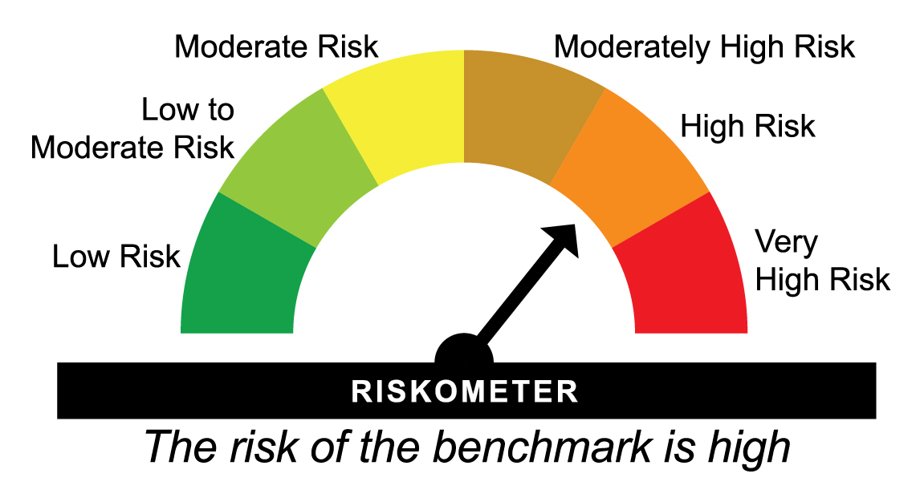
 |  |  |  |  |  | Scheme (₹) | Benchmark #(₹) | Additional Benchmark ##(₹)

May 31, 24 | Last 1 Year | 296.755 | 9.03 | 11.02 | 11.08 | 10,900 | 11,099 | 11,104
May 31, 22 | Last 3 Years | 192.778 | 18.84 | 13.28 | 15.56 | 16,784 | 14,535 | 15,432
May 29, 20 | Last 5 Years | 112.630 | 23.47 | 16.86 | 22.29 | 28,727 | 21,815 | 27,380
May 29, 15 | Last 10 Years | 84.944 | 14.29 | 11.35 | 12.73 | 38,090 | 29,348 | 33,201
Jan 01, 13 | Since Inception | 50.852 | 16.07 | 11.9 | 13.53 | 63,627 | 40,406 | 48,325
^Past performance may or may not be sustained in future and is not a guarantee of any future returns. Returns greater than 1 year period are compounded annualized (CAGR). # NIFTY 50 Hybrid Composite Debt 65:35 Index ## Nifty 50 TRI
$ Adjusted for Bonus units declared under the Scheme.
Scheme performance may not strictly be comparable with that of its Additional Benchmark in view of balanced nature of the scheme where a portion of scheme’s investments are made in debt instruments.
Different plans viz. Regular Plan and Direct Plan have a different expense structure. The expenses of the Direct Plan under the Scheme will be lower to the extent of the distribution expenses / commission charged in the Regular Plan
The scheme is managed by Chirag Setalvad (Equity Assets) (since April 2, 2007) & Anil Bamboli (Debt Assets) (since October 6, 2022).
Since Inception Date = Date of First allotment in the Scheme / Plan.
Load is not taken into consideration for computation of performance.
NA: Not Available

HDFCRETEQP - HDFC Retirement Savings Fund - Equity Plan - Regular Plan - Growth |  |  |  |  |  | NAV as at May 30, 2025 |  | 50.049 | Scheme Riskometer
Date | Period | NAV per Unit (₹) | Scheme Returns (%)^ | Benchmark Returns(%)# | Additional Benchmark Returns ##(%) | Value of Investment of ₹ 10000@
 |  |  |  |  |  | Scheme (₹) | Benchmark #(₹) | Additional Benchmark ##(₹)

May 31, 24 | Last 1 Year | 45.708 | 9.5 | 9.02 | 11.08 | 10,947 | 10,900 | 11,104
May 31, 22 | Last 3 Years | 27.880 | 21.53 | 18.44 | 15.56 | 17,952 | 16,613 | 15,432
May 29, 20 | Last 5 Years | 13.995 | 28.99 | 25.09 | 22.29 | 35,762 | 30,661 | 27,380
Feb 25, 16 | Since Inception | 10.000 | 18.98 | 17.19 | 16.09 | 50,049 | 43,496 | 39,831

HDFCRETEQP - HDFC Retirement Savings Fund - Equity Plan - Direct Plan - Growth |  |  |  |  |  | NAV as at May 30, 2025 |  | 56.601 | Benchmark Riskometer
Date | Period | NAV per Unit (₹) | Scheme Returns (%)^ | Benchmark Returns(%)# | Additional Benchmark Returns ##(%) | Value of Investment of ₹ 10000@ |  |  | 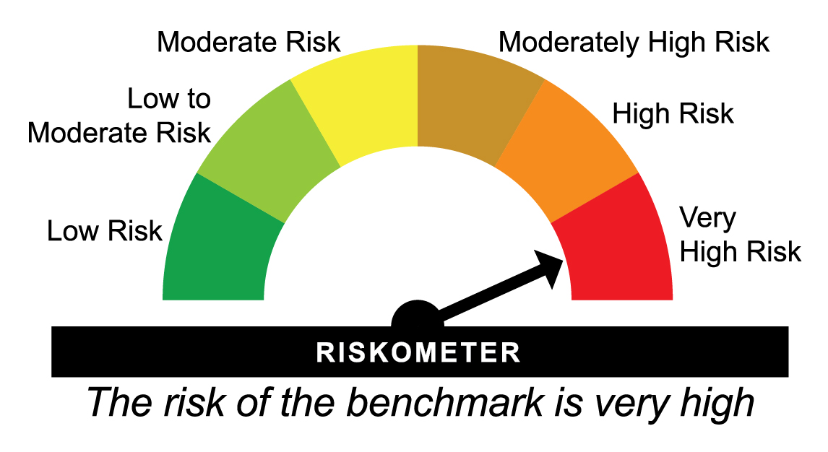
 |  |  |  |  |  | Scheme (₹) | Benchmark #(₹) | Additional Benchmark ##(₹)

May 31, 24 | Last 1 Year | 51.157 | 10.64 | 9.02 | 11.08 | 11,061 | 10,900 | 11,104
May 31, 22 | Last 3 Years | 30.474 | 22.92 | 18.44 | 15.56 | 18,574 | 16,613 | 15,432
May 29, 20 | Last 5 Years | 14.922 | 30.52 | 25.09 | 22.29 | 37,931 | 30,661 | 27,380
Feb 25, 16 | Since Inception | 10.000 | 20.57 | 17.19 | 16.09 | 56,601 | 43,496 | 39,831
^Past performance may or may not be sustained in future and is not a guarantee of any future returns. Returns greater than 1 year period are compounded annualized (CAGR). # Nifty 500 TRI ## Nifty 50 TRI
Different plans viz. Regular Plan and Direct Plan have a different expense structure. The expenses of the Direct Plan under the Scheme will be lower to the extent of the distribution expenses / commission charged in the Regular Plan.
The scheme is managed by Srinivasan Ramamurthy (Equities) (since December 14, 2021), Shobhit Mehrotra (Debt) (since February 25, 2016), Nandita Menezes and Arun Agarwal (Arbitrage Assets) (since April 01, 2025)
Since Inception Date = Date of First allotment in the Scheme / Plan.
Load is not taken into consideration for computation of performance.

HDFCRETHEP - HDFC Retirement Savings Fund - Hybrid-Equity Plan - Regular Plan - Growth |  |  |  |  |  | NAV as at May 30, 2025 |  | 38.433 | Scheme Riskometer
Date | Period | NAV per Unit (₹) | Scheme Returns (%)^ | Benchmark Returns(%)# | Additional Benchmark Returns ##(%) | Value of Investment of ₹ 10000@
 |  |  |  |  |  | Scheme (₹) | Benchmark #(₹) | Additional Benchmark ##(₹)

May 31, 24 | Last 1 Year | 35.150 | 9.34 | 11.02 | 11.08 | 10,931 | 11,099 | 11,104
May 31, 22 | Last 3 Years | 23.866 | 17.21 | 13.28 | 15.56 | 16,104 | 14,535 | 15,432
May 29, 20 | Last 5 Years | 14.738 | 21.1 | 16.86 | 22.29 | 26,077 | 21,815 | 27,380
Feb 25, 16 | Since Inception | 10.000 | 15.64 | 13.59 | 16.09 | 38,433 | 32,565 | 39,831

HDFCRETHEP - HDFC Retirement Savings Fund - Hybrid-Equity Plan - Direct Plan - Growth |  |  |  |  |  | NAV as at May 30, 2025 |  | 43.555 | Benchmark Riskometer
Date | Period | NAV per Unit (₹) | Scheme Returns (%)^ | Benchmark Returns(%)# | Additional Benchmark Returns ##(%) | Value of Investment of ₹ 10000@
 |  |  |  |  |  | Scheme (₹) | Benchmark #(₹) | Additional Benchmark ##(₹)

May 31, 24 | Last 1 Year | 39.384 | 10.59 | 11.02 | 11.08 | 11,056 | 11,099 | 11,104
May 31, 22 | Last 3 Years | 26.101 | 18.61 | 13.28 | 15.56 | 16,687 | 14,535 | 15,432
May 29, 20 | Last 5 Years | 15.717 | 22.58 | 16.86 | 22.29 | 27,712 | 21,815 | 27,380
Feb 25, 16 | Since Inception | 10.000 | 17.21 | 13.59 | 16.09 | 43,555 | 32,565 | 39,831
^Past performance may or may not be sustained in future and is not a guarantee of any future returns. Returns greater than 1 year period are compounded annualized (CAGR). # NIFTY 50 Hybrid Composite Debt 65:35 Index ## Nifty 50 TRI
Scheme performance may not strictly be comparable with that of its Additional Benchmark in view of hybrid nature of the scheme where a portion of scheme’s investments are made in debt instruments.
Different plans viz. Regular Plan and Direct Plan have a different expense structure. The expenses of the Direct Plan under the Scheme will be lower to the extent of the distribution expenses / commission charged in the Regular Plan.
The scheme is managed by Srinivasan Ramamurthy (Equities) (since December 14, 2021), Shobhit Mehrotra (Debt) (since February 25, 2016), Nandita Menezes and Arun Agarwal (Arbitrage Assets) (since April 01, 2025)
Since Inception Date = Date of First allotment in the Scheme / Plan.
Load is not taken into consideration for computation of performance.

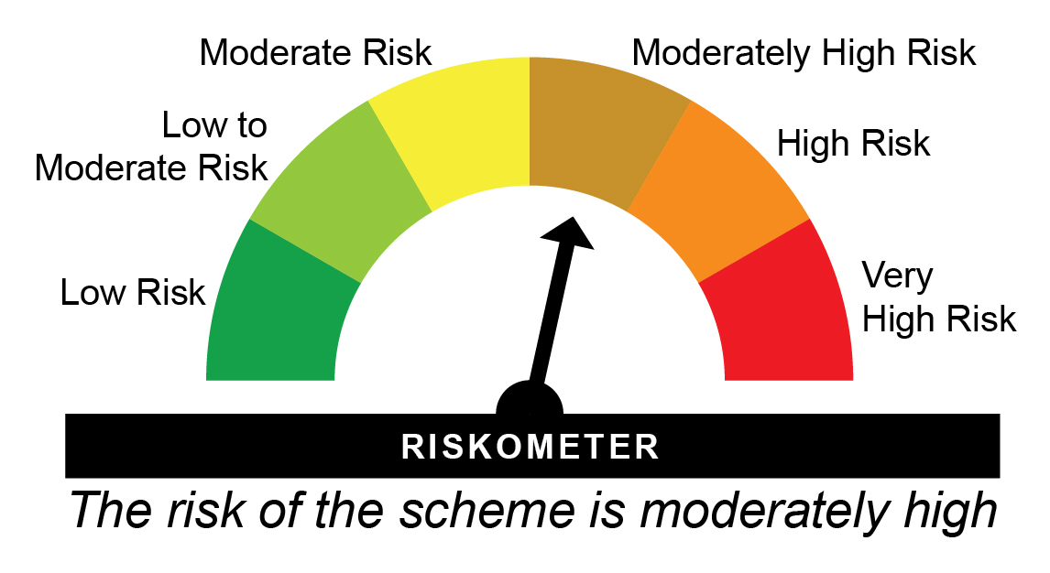
HDFCRETHDP - HDFC Retirement Savings Fund - Hybrid-Debt Plan - Regular Plan - Growth |  |  |  |  |  | NAV as at May 30, 2025 |  | 21.5972 | Scheme Riskometer
Date | Period | NAV per Unit (₹) | Scheme Returns (%)^ | Benchmark Returns(%)# | Additional Benchmark Returns ##(%) | Value of Investment of ₹ 10000@
 |  |  |  |  |  | Scheme (₹) | Benchmark #(₹) | Additional Benchmark ##(₹)

May 31, 24 | Last 1 Year | 19.902 | 8.52 | 10.59 | 11.71 | 10,849 | 11,055 | 11,168
May 31, 22 | Last 3 Years | 16.164 | 10.14 | 9.75 | 9.43 | 13,361 | 13,220 | 13,106
May 29, 20 | Last 5 Years | 13.613 | 9.66 | 9.1 | 5.5 | 15,865 | 15,465 | 13,076
Feb 26, 16 | Since Inception | 10.000 | 8.67 | 9.36 | 7 | 21,597 | 22,898 | 18,711

HDFCRETHDP - HDFC Retirement Savings Fund - Hybrid-Debt Plan - Direct Plan - Growth |  |  |  |  |  | NAV as at May 30, 2025 |  | 24.3272 | Benchmark Riskometer
Date | Period | NAV per Unit (₹) | Scheme Returns (%)^ | Benchmark Returns(%)# | Additional Benchmark Returns ##(%) | Value of Investment of ₹ 10000@ |  |  | 
 |  |  |  |  |  | Scheme (₹) | Benchmark #(₹) | Additional Benchmark ##(₹)

May 31, 24 | Last 1 Year | 22.172 | 9.72 | 10.59 | 11.71 | 10,969 | 11,055 | 11,168
May 31, 22 | Last 3 Years | 17.591 | 11.41 | 9.75 | 9.43 | 13,829 | 13,220 | 13,106
May 29, 20 | Last 5 Years | 14.466 | 10.94 | 9.1 | 5.5 | 16,817 | 15,465 | 13,076
Feb 26, 16 | Since Inception | 10.000 | 10.07 | 9.36 | 7 | 24,327 | 22,898 | 18,711
^Past performance may or may not be sustained in future and is not a guarantee of any future returns. Returns greater than 1 year period are compounded annualized (CAGR). # NIFTY 50 Hybrid Composite Debt 15:85 Index ## CRISIL 10 Year Gilt Index
Scheme performance may not strictly be comparable with that of its Additional Benchmark in view of hybrid nature of the scheme where a portion of scheme’s investments are made in equity instruments.
Different plans viz. Regular Plan and Direct Plan have a different expense structure. The expenses of the Direct Plan under the Scheme will be lower to the extent of the distribution expenses / commission charged in the Regular Plan.
The scheme is managed by Srinivasan Ramamurthy (Equities) (since December 14, 2021), Shobhit Mehrotra (Debt) (since February 25, 2016), Nandita Menezes and Arun Agarwal (Arbitrage Assets) (since April 01, 2025)
Since Inception Date = Date of First allotment in the Scheme / Plan.
Load is not taken into consideration for computation of performance.

